Sheet1
Monday |  | Tuesday | Wednesday | Thursday | Friday | Saturday
Yes |  | Yes | No | No | No | Yes
↑ 0.8 |  | ↑ 0.8
Sunny | → 0.8 | Sunny | Sunny |  | Best Path -> | Sunny
0.67 | 0.34 |  |  |  | Best Path -> | Rainy

Yes |  | Yes
↑ 0.8 |  | ↑ 0.4
Sunny | → 0.2 | Rainy | Sunny
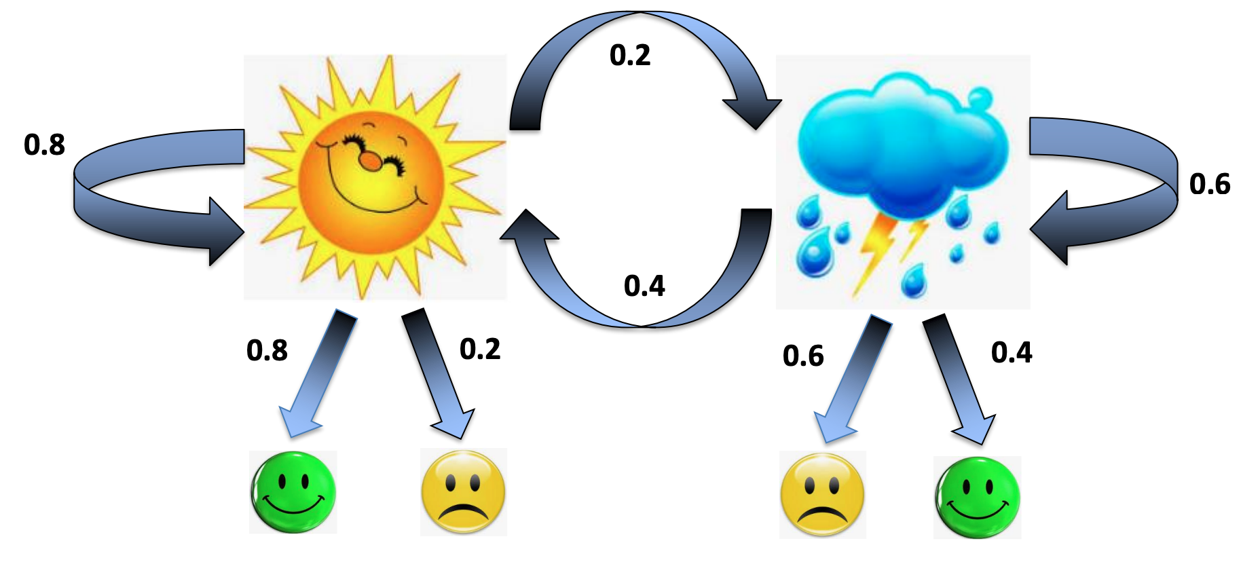
0.67 | 0.043

Yes |  | Yes
↑ 0.4 |  | ↑ 0.8
Rainy | → 0.4 | Sunny | Rainy
0.33 | 0.042

Yes |  | Yes
↑ 0.4 |  | ↑ 0.4
Rainy | → 0.4 | Rainy | Rainy
0.33 | 0.032

Monday |  | Tuesday | Wednesday | Thursday | Friday | Saturday
Yes |  | Yes | No | No | No | Yes
↑ 0.8 |  | ↑ 0.8
Sunny | → 0.8 | Sunny
0.67 |  | 0.34112
0.533 |  | 0.04256
Yes
↑ 0.4
Rainy | → 0.4 | Rainy
0.33
0.133

